General Information
* General Information
1.Order status |  |  | 4. Trim placement/ Packing way |  | 5. Color & Size Break Down (** Pls check the Section 2)

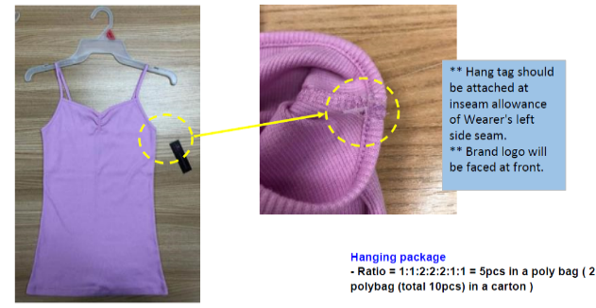
1. Date | 08.01.2019 |  | 4-1-1) HANGING PACKING |  | COLOR |  | XS | S | M | L | XL | XXL | XXXL | TOTAL
2. Buyer | WAL MART |  |  |  | VIETNAM | PLEASE REFER TO PO RECAP.
3. Season | 2020 Season 2
4. Style# | NB2010002541
5. Description | RIB CAMI
6. Delivery | 2019/12/15~2019/12/22
7. Order Q'ty | S&H Vina 1&2: 12,728,056 pcs
8. Country of Origin | VIETNAM
9. Sewing Factory | S&H VINA 1&2
10. Graphic Factory | N/A
11. G/Washing Factory | N/A
1) Charge | N/A
12. Team / Contact | Chris Yoon | Chris Yoon /shyoon@sae-a.com
 |  | 0938-756-498
 | Christina Kang | Christina Kang/ christina88@sae-a.com
 |  | 093-861-0298
 | Sam | Sam Ho/ sam95@sae-a.com
 |  | 0933 351 326 | 4-1-2) FOLDING PACKING
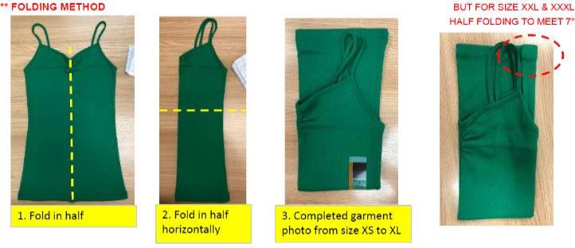
2.Accessories (Desctiption & Item#)

** Size strip for all: attach 1/2" from wearer's left side edge
STORE ORDER
1. Label
1) Main Label | AVERY | Code#: NBJR27577 (HTL)
2) Care label | AVERY | Code#: NBIS27228 (Woven)
3) Tracking Label | LOCAL
2. Sewing Trim
1) Thread | LOCAL | Use poly spun for upper thread (40/S)
 |  | Use poly texture for looper thread (150D)
3. GARMENT HANG TAG
1) Brand Hang tag | AVERY | Code#: NBJR27263
5. PACKAGING TRIM
Tag pin, Poly Bag, Carton, Gum Tape, Carton label Sticker, Polybag sticker=> LOCAL / Pink sticker for IS PO. |  |  |  |  | TOTAL |  | 0 | 0 | 0 | 0 | 0 | 0 | 0 | 0
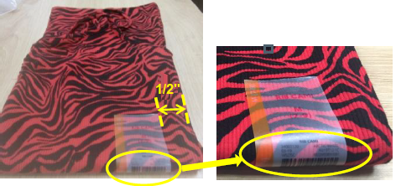
Carton Pink sticker | LOCAL | WMA-NMS-002M (FOR INITIAL SET PO) |  |  | 6. Production Sample Dispatch Manual
** Size strip position: Size strip should sit with the barcode creased in the middle of the fold, not above or below.
Hanger | LOCAL | W340
Size tab | LOCAL | WMLS17 (NEW UPDATED SIZE CLIP)
Size strip (Folding) | AVERY | Code#: NBJR27576 |  |  | Sample |  | Color | Size | Q'ty | Due
3. Fabrication & Yield Yardage Consumption |  |  |  |  | * F.P.P sample |  | ANY | ALL | 1 PC | Within FPP meeting date
1. FABRIACTION |  |  |  |  | * TOP sample |  | ALL | ALL | 5 SETS FOLDING + 2 SETS HANGING
Fabric Mill | JIAYE PRINTING AND DYEING CO LTD |  |  |  | * In Line sample |  | ALL | M + any size | 2 PCS | Weekly
Fabric Contents | 89% Polyester 11% Spandex Brushed 2X2 Rib 200G/SM 89% Polyester 11% Spandex Brushed 1X1 Rib 180G/SM |  | 4-2). Label Attachment |  | * Internal test sample |  | ANY | MIX SIZE | 2 PCS | Will request seperately
2. CONSUMPTION
PLEASE REFER TO CONSUMPTION SHEET
 |  |  | 1. Attached Method:
 |  |  | - Main label: printed 0.5" from neck binding seam @ CB |  | TOP SAMPLE DUE |  | TOP samples have to be dispatched within one week from product start.
 |  |  | - Care label: @ attached 3" above from wearer's left bottom hem, above ID label |  | 7. Test (CTL PRODUCTION TEST)
 |  |  | - ID Label: tracking label must be sewn behind care label together.
 |  |  | - Hang tag: @ inseam allowance at wearer's left side seam. |  | 1. Color |  | ALL COLOR
 |  |  | - Size strip : attached 1/2" from left corner |  | 2. Size |  | ALL SIZE (SIZE, COLOR MIX)
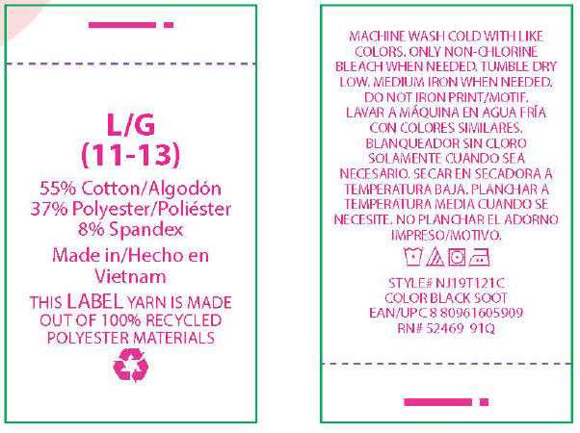
3"
 |  |  |  | T-LABEL, CARE LABEL | 3. Q'ty |  | 2 SET (if more than 1 factory, each fty has to be required the test separately.)
 |  |  | 2. View: |  |  |  | ** Additional PD test need to perform for every 300K produce, wil conduct internally.
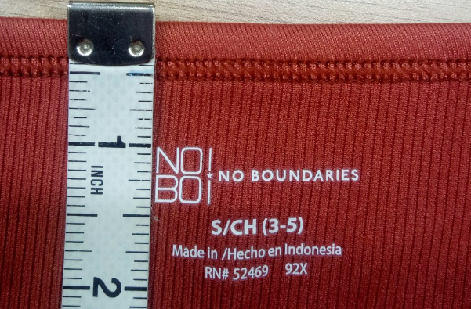
0.5"
 |  |  | Main label |  | 4. Testing lab |  | BV
 |  |  |  |  | 5. Test type |  | PRODUCTION TEST (GARMENT FULL TEST)

Sewing Instruction
BODY: RIB 2X2
BINDING: RIB 1X1 EXCEPT GREY HEATHER (BINDING IS RIB 2X2)
*Sewing Instruction
8. Construction w/ sketch | 10. Body & Trim matching by Color
 | BODY | MAIN LABEL | GRAPHIC OR PRINT TECH | THREAD | BINDING fabric | THREAD QUALITY
BINDING
-0.5", 3 layer rib 1x1 binding with 1/8" gg 2N bottom coverstitch (406)
-All binding needs to be sewn at once except for Front neck.
 | ARCTIC WHITE | GREY 429C | SOLID | DTM BODY | RIB 1X1. DTM WITH BODY | UPPER THREAD- 40S POLY SPUN LOOPER THREAD -150D POLY TEXTURED
 | BLACK SOOT | WHITE
 | BLUE COVE | WHITE
 | CLAY BRICK | WHITE
 | BB PINK | WHITE
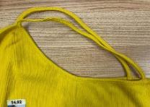
STRAP attachment
- Self double turn back to avoid raw edge and horizon single needle top stitch
(Please make sure the back strap placement is followed as the pattern.)
 | GLOW STICK | GREY 429C
 | PEACH SMOOTHIE | WHITE
 | UNIFORM GREEN | WHITE
** Heatseal label attachment.
please check separate sheet
 | VIOLET BLOOM | WHITE
 | NOMAD BROWN | WHITE
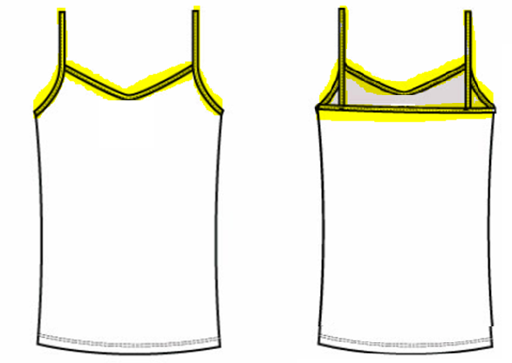
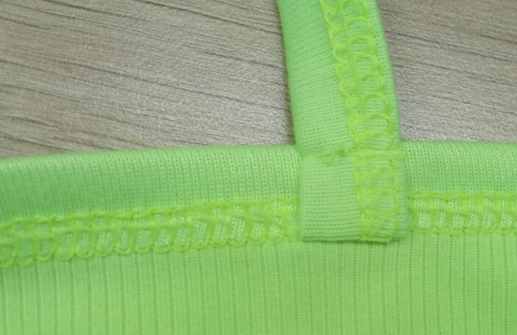
 | MIST MINT | WHITE
 | GREY HEATHER | WHITE |  |  | RIB 2X2 BINDING IS SAME WITH BODY. DTM WITH BODY.
 | ** Full color name is indicated on main label, size strip and hang tag.
 | 11. Heat Seal Label 작업시 주의 사항
PLEASE RECHECK HTL BASE ON CONDITIONS OF AVERY BEFORE PRODUCTION (NEXT SHEET)
 | 1. Degree | 140 ~ 160OC
 | 2. Time | 8 ~ 12 sec
 | 3. Press | 1.5-2 Kg/cm2 (21-28 PSI)
 | 4. Back paper removal | Remove it after making labels sufficiently cool.
*Care label
- 3" from hem edge of wearer's left side seam
* T-Label:
- Under Care label
HEM should be CIRCULAR HEM
- 1/2" turn back w/ 2N bottom Coverstitch (406) 1/8" gg
- Add vertical SN tacking at wearer's left side seam to avoid stitch released.
 | 5. Store method | 1. Keep labels where is no sunlight, cool and under 25'c.
 |  | 2. Do not load anything over 10kg on labels.
 | 12. Safety
 | ** No specific safety issue for this style.
 | 13. Watch out!!
 | 1. Cutting | 1. In advance to start production, please check and reconfirm the yardage consumption.
*CIRCULAR HEM :
PLEASE SEW FRONT AND BACK HEM AT ONCE.
 |  | 2. Unroll the fabric for at least 48 hours and check fabric data before cutting.
 |  | 3. At least 10% of the fabric should be inspected Within 7 days from fabric ETA date.
 |  | (Please use report format from HQ QC team and proceed lab test constantly.)
 |  | 4. Before start cutting, any issues from fabric inspection or testing must be informed to HQ / branch office QC
* Caution.
(1) Neck trim width is 0.5" binding.
(2) Please keep the appropriate SPI and tension for all stitch.
(3) Grain line must be cut as straight vertical line.
(4) Heatseal label attachment. -> Find the top point of heat seal label and place it in center of garment.
(5) Please keep the final spec
(6) Adjust iron steam to avoid shrinkage
 |  | 5. Manage the brushing level tolerance in production based on approved quality swatch. Please compare to fabric quality swatch from detail file.
 |  | 6. Brushed rib quality makes color difference even in a same roll. 2way cutting but 1 way in garment. Both side brush. Due to brushing, monitor shade issues.
 |  | 7. Need to monitor whether there is no pilling issue after internal 3 times washing in factory lab.
 |  | 8. The standard of garment shrinkage is -5%~+2%. (After receiving the fabric, must do fabric test to avoid shrinkage problem.)
 |  | 9. The weight standard is 200GSM
 |  | 10. Follow the right temperature and pressure of the label so that it has secure durability over the brushed 2x2 rib.
 |  | 11. Please check weight, shrinkage, skewness of each lot.
 |  | 12. Use front side which is with narrow rib looking; the back side is with wide rib looking
 |  | 13. Grain line must be cut as straight vertical line.
 |  | 14. Please manage shade between body and binding.
 |  | 15. Need to check if all the heat seal words can be legible per body color. Heat seal label - Please check migration issue and adhesion quality.
 | 2. Sewing | 1. Bulk production must be proceed as Approved Gold Seal sample. Keep sewing SPI as 11~12. (STITCH ON C.F IS 20~22)
9. FINAL SPEC |  | 2. Please use poly spun thread for all needle thread, and use poly texture 150D thread for all looper thread including coverstitch.
 |  | 3. Please keep the appropriate SPI at bottom hem/sweep. If not may cause the turnel because of unsuitable SPI.
 |  | 4. The sewing thread should be matched to body.
 |  | 5. Bottom hem needs to be attached at once_Circular and add vertical SN tacking at wearer's left side seam to avoid unraveling.
 |  | 6. Neck binding is 3ply with 0.5" width.
 |  | 7. Please keep the appropriate stitch tenstion for binding strap
 | 3. Finishing | * Please do not over press the product.
 |  | * Symmetric neck shape & armhole shape
 | 4. Packing | ** Folded packing
 |  | ** Hanger packing for hanging portion
 |  | (Please refer to the detail packing way on next page)
 | 14. LINE SHEET

SPEC (08.02) NOT FINAL
